Access Management
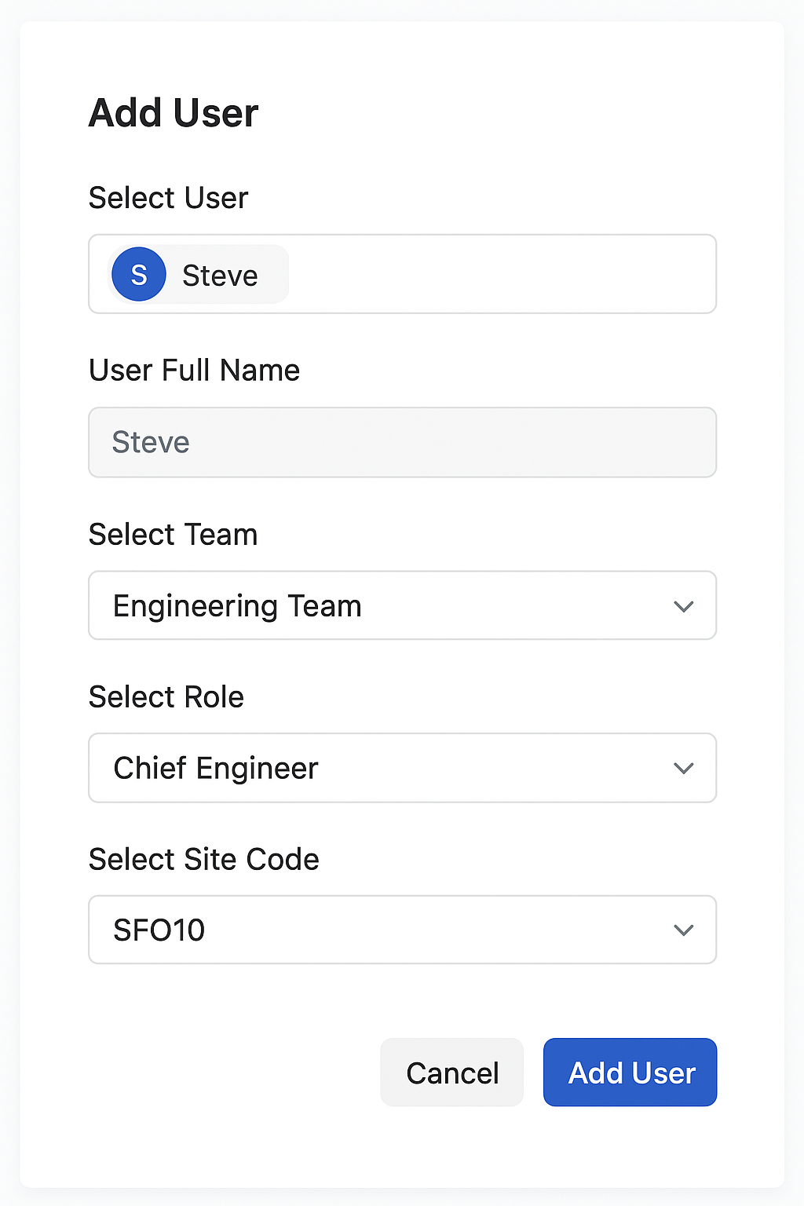
Add User |  | Access Management Dashboard
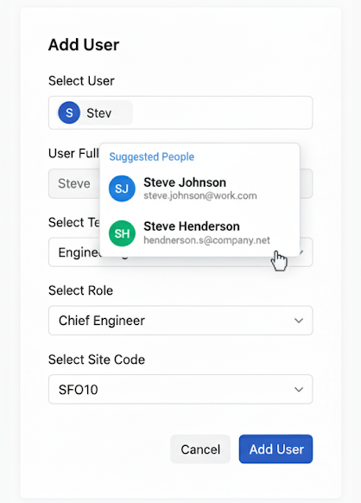
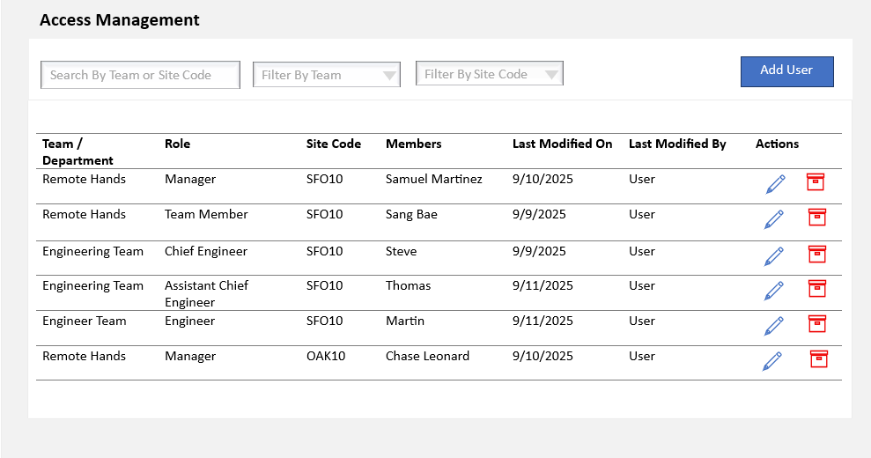

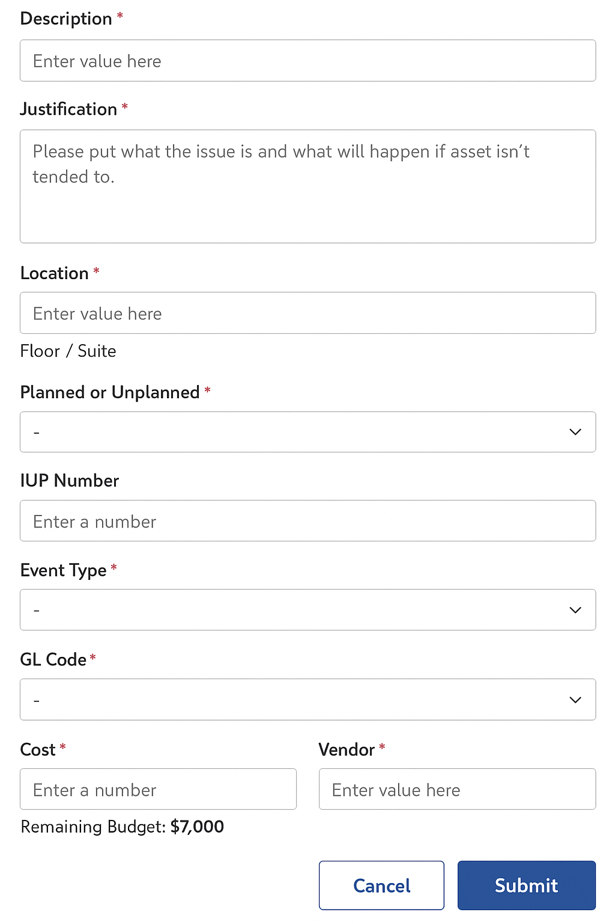
 | Create PO Request
 |  |  | This form was built based on the form in Sharepoint list. fields can be varied in the new form

Approval Workflow
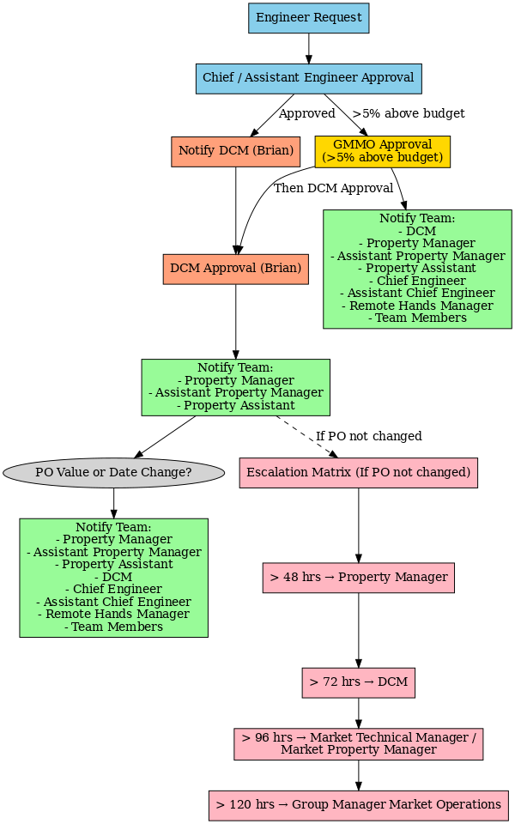
SFO12
Engineer request | On Chief/Assistant engineer Approval ->Notify to DCM Brian | if 5% above allocated budget approval request goes to Jones Chan (GMMO) all 3 ->on GMMO Approval ->Notify Team : DCM,Property Manager,Asst Propert Manager, Property Asst,Chief engineer,Asst chief engineer,Remote hands manager,team member
 | On Brian DCM Approval Notify team: Property Manager,Asst Property manager,Property asst
 | On PO changed to any value or date change notify team : Property Manager,Asst Property manager,Property asst,DCM,Chief engineer,Asst chief engineer,Remote hands manager,team member

